Cover


ESA Academy's Concurrent Engineering Workshop
Calculation Sheet: Mechanisms
"The ISU/ESA calculation sheets are property of the International Space University (ISU) and European Space Agency (ESA). No part of this material may be reproduced, displayed, amended, distributed or otherwise used in any form or by any means, without written permission of ISU and ESA. Any unauthorised activity or use shall be an infringement of ISU's and ESA's intellectual property rights. ISU and ESA reserve the right to defend their rights and interests, including to seek for remedies."
The current version of this calculation sheet was improved in collaboration with the Politecnico di Torino.

Objectives
Mechanisms - Objectives

Objectives:
 To size motors to enable mechanisms functionalites

Motor sizing
Mechanisms - Motor sizing

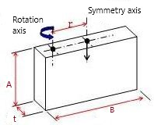
INPUT from OCDT
Solar array surface | S |  | 0.085 | m^2
Lenght of the panel | b |  | 0.3 | m
Height of the panel | a |  | 0.2 | m
Thickness of the panel | t |  | 0.004 | m
INPUT

Density of panel material | ρ |  | 2.8 | kg/m^3
Solar cell weight per unit surface |  |  | 0.8 | kg/m^2
Solar array surface | S |  | 0.085 | m^2
Lenght of the panel | b |  | 0.3 | m
Height of the panel | a |  | 0.2 | m
Thickness of the panel | t |  | 0.004 | m
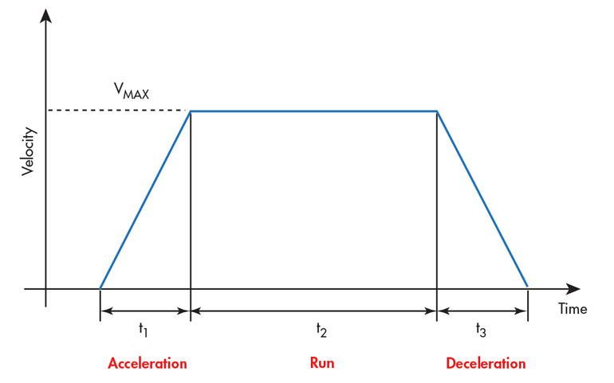
Offset | r |  | 0.15 | m
Safety factor | n |  | 1.5
Final positioning angle | θ |  | 90 | °
Total positioning time | t0 |  | 4 | s
Acceleration/deceleration time | t1 |  | 2 | s
Stopping time | ts |  | 900 | s
Load Torque | TL |  | 0.015 | N*m
Inertia ratio

CALCULATIONS

Required speed | V | 7.5 | rad/min
Mass of the panel | M | 0.069 | kg
Load inertia | JL | 0.002 | kg*m^2
Acceleration torque | Ta | 0.001 | N*m

OUTPUT

Required torque | T | 0.024 | N*m
 |  | 23.9 | mN*m

Root mean square torque | TRMS | 0.001 | N*m
 |  | 1.5 | mN*m

INERTIA RATIO CALCULATOR

Rotor inertia | JO | 5E-10 | kg*m^2
Gear ratio | i | 1024

Intertia ratio |  | 3.96

Trade_off
 | Trade-off table |  |  |  |  |  |  |  |  |  |  |  |  |  |  |  |  |  | Version 1.4
 | 1. Fill in the names of the trade-off parameters in the green priority list. Leave empty if no parameter |  |  |  |  |  |  |  |  |  |  |  |  |  |  |  | > |  | R. Biesbroek
 | 2. Rank the parameters in order of priority and indicate if a parameter is more important (>) or equally important (=) than the next one. |  |  |  |  |  |  |  |  |  |  |  |  |  |  |  | = |  | TEC-SYE
 | This will automatically create the weight factor definition table. (replace them if you do not agree with the outcome) |  |  |  |  |  |  |  |  |  |  |  |  |  |  |  |  |  | Loris Franchi
 | 3. Define the options e.g. replace 'text 1' by 'chemical propulsion platform' |  |  |  |  |  |  |  |  |  |  |  |  |  |  |  |  |  | Politecnico di Torino
 | 4. Fill in the trade-off table by assigning a score to each option for each key trade-off parameter. Use the same scale, e.g. 1 to 5
 | 5. The bottom row will give the ranking of the options, taking into account the weight factors
 | Please fill in only the GREEN parts in the tables!

 | Please insert trade-off parameter names in the green list and select condition ('>' or '=')from the drop-down menu's: (order in terms of decreasing importance)
 | Parameter1 |  | parameter2 |  | parameter3 |  | parameter4 |  | parameter5 |  | parameter6 |  | parameter7 |  | parameter8 |  | parameter9 |  | parameter10
Priority List | Mass | > | Cost | > | Power | = | Equilibrium temperature | = | E | = |  | = |  | = |  | = |  | =
Value: |  | 1 |  | 1 |  | 0 |  | 0 |  | 0 |  | 0 |  | 0 |  | 0 |  | 0

Key trade-off parameters & weight factor definition. This table is automatically produced and requires no inputs
Weight factor definition table | Key trade-off Parameter | Mass | Cost | Power | Equilibrium temperature | E |  |  |  |  |  | Total score | Scaled score (>=1) |  | Weight factor (0..1)
1 | Mass |  | 1 | 1 | 1 | 1 | 0 | 0 | 0 | 0 | 0 | 4 | 7.00 |  | 0.47
2 | Cost | -1 |  | 1 | 1 | 1 | 0 | 0 | 0 | 0 | 0 | 2 | 5.00 |  | 0.33
3 | Power | -1 | -1 |  | 0 | 0 | 0 | 0 | 0 | 0 | 0 | -2 | 1.00 |  | 0.07
4 | Equilibrium temperature | -1 | -1 | 0 |  | 0 | 0 | 0 | 0 | 0 | 0 | -2 | 1.00 |  | 0.07
5 | E | -1 | -1 | 0 | 0 |  | 0 | 0 | 0 | 0 | 0 | -2 | 1.00 |  | 0.07
6 |  | 0 | 0 | 0 | 0 | 0 |  | 0 | 0 | 0 | 0
7 |  | 0 | 0 | 0 | 0 | 0 | 0 |  | 0 | 0 | 0
8 |  | 0 | 0 | 0 | 0 | 0 | 0 | 0 |  | 0 | 0
9 |  | 0 | 0 | 0 | 0 | 0 | 0 | 0 | 0 |  | 0
10 |  | 0 | 0 | 0 | 0 | 0 | 0 | 0 | 0 | 0

Trade results
Trade-off table. Please define the option names, and fill in the score for each option, for each parameter. The bottom row will show the ranking
Trade-off table | Options definition: | Option 1 | Option 2 | Option 3 | Option 4 | Option 5 | Option 6 | Option 7 | Option 8 | Option 9 | Option 10 | Option 11 | Option 12 | Option 13 | Option 14 | Option 15 | Weight Factor (1..10)
 |  | text 1 | text 2 | text 3 | text 4 | text 5 | text 6 | text 7 | text 8 | text 9 | text 10 | text 11 | text 12 | text 13 | text 14 | text 15
Key trade-off Parameter | Mass | 3 | 3 | 3 |  |  |  |  |  |  |  |  |  |  |  |  | 0.47
 | Cost | 5 | 7 | 4 |  |  |  |  |  |  |  |  |  |  |  |  | 0.33
 | Power | 8 | 5 | 2 |  |  |  |  |  |  |  |  |  |  |  |  | 0.07
 | Equilibrium temperature | 4 | 3 | 1 |  |  |  |  |  |  |  |  |  |  |  |  | 0.07
 | E |  |  |  |  |  |  |  |  |  |  |  |  |  |  |  | 0.07
 |  |  |  |  |  |  |  |  |  |  |  |  |  |  |  |  | 0.00
 |  |  |  |  |  |  |  |  |  |  |  |  |  |  |  |  | 0.00
 |  |  |  |  |  |  |  |  |  |  |  |  |  |  |  |  | 0.00
 |  |  |  |  |  |  |  |  |  |  |  |  |  |  |  |  | 0.00
 |  |  |  |  |  |  |  |  |  |  |  |  |  |  |  |  | 0.00
 | Total score | 4 | 4 | 3 | 0 | 0 | 0 | 0 | 0 | 0 | 0 | 0 | 0 | 0 | 0 | 0
 | Ranking | 2 | 1 | 3 | 4 | 4 | 4 | 4 | 4 | 4 | 4 | 4 | 4 | 4 | 4 | 4

 |  |  |  |  |  |  |  |  |  |  |  |  |  |  |  |  |  |  | Add options and parameters to Radar Chart:
 |  |  |  |  |  |  |  |  |  |  |  |  |  |  |  |  |  |  | 1. Right click on the radar chart
 |  |  |  |  |  |  |  |  |  |  |  |  |  |  |  |  |  |  | 2. Click on select data
 |  |  |  |  |  |  |  |  |  |  |  |  |  |  |  |  |  |  | 3. In horizontal axes label select or unselect the parameters that will be displayed
 |  |  |  |  |  |  |  |  |  |  |  |  |  |  |  |  |  |  | 4. in legend entries click add
 |  |  |  |  |  |  |  |  |  |  |  |  |  |  |  |  |  |  | 5. Select option name ( row 30 column x ) as series name
 |  |  |  |  |  |  |  |  |  |  |  |  |  |  |  |  |  |  | 6. select the value of each parameter related to the option for values

ProductTreeMain
Mechanisms Product Tree
1
1
1

